Chart 7 (reorder)
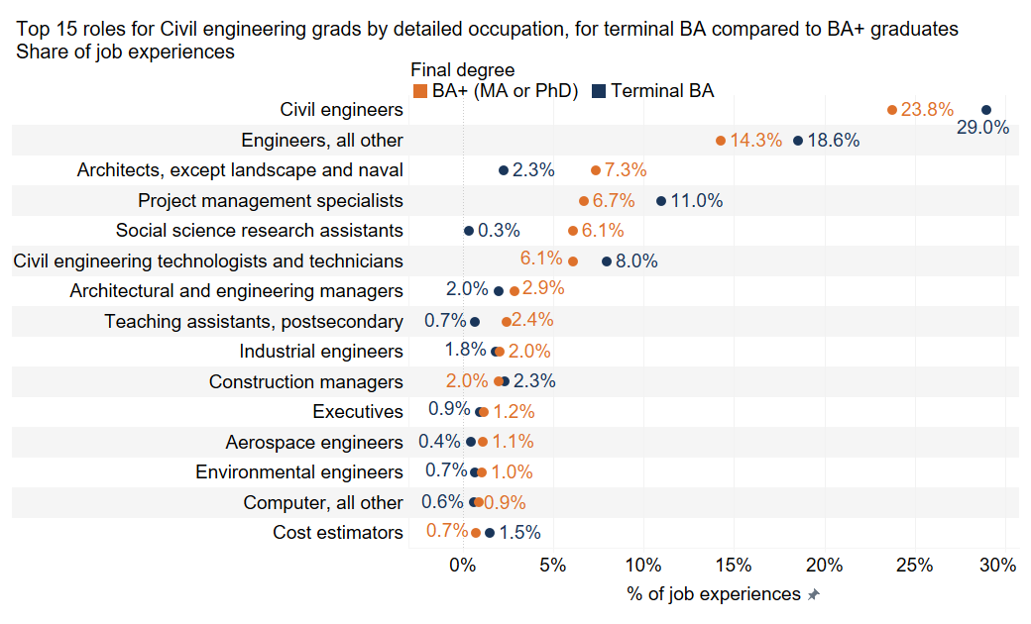
Chart number | #VALUE!
Descriptive title | Top 15 roles for civil engineering grads by detailed occupation, for terminal bachelor's degree compared to bachelor's degree+ graduates, share of job experiences | <- Title has changed
Note
Source | Burning Glass Institute Analysis of career profiles and Florida administrative data

Soc 2019 5 Name | Max Degree (group) | % of Total Count of q_emp_edu_hist_final.csv along Soc 2019 5 Name | Count of q_emp_edu_hist_final.csv | Bgi Id string Count dist
Civil engineers | Bachelor's+ (Master's or PhD) | 0.237603306 | 805 | 226
Civil engineers | Terminal Bachelor's | 0.289877659 | 3,720 | 1,019
Engineers, all other | Bachelor's+ (Master's or PhD) | 0.142857143 | 484 | 153
Engineers, all other | Terminal Bachelor's | 0.185537287 | 2,381 | 755
Architects, except landscape and naval | Bachelor's+ (Master's or PhD) | 0.073494687 | 249 | 69
Architects, except landscape and naval | Terminal Bachelor's | 0.02259799 | 290 | 89
Project management specialists | Bachelor's+ (Master's or PhD) | 0.067001181 | 227 | 74
Project management specialists | Terminal Bachelor's | 0.109950908 | 1,411 | 428
Social science research assistants | Bachelor's+ (Master's or PhD) | 0.061097993 | 207 | 79
Social science research assistants | Terminal Bachelor's | 0.003350736 | 43 | 11
Civil engineering technologists and technicians | Bachelor's+ (Master's or PhD) | 0.061097993 | 207 | 80
Civil engineering technologists and technicians | Terminal Bachelor's | 0.079872204 | 1,025 | 358
Architectural and engineering managers | Bachelor's+ (Master's or PhD) | 0.02892562 | 98 | 30
Architectural and engineering managers | Terminal Bachelor's | 0.020026494 | 257 | 86
Teaching assistants, postsecondary | Bachelor's+ (Master's or PhD) | 0.02420307 | 82 | 43
Teaching assistants, postsecondary | Terminal Bachelor's | 0.006857321 | 88 | 33
Industrial engineers | Bachelor's+ (Master's or PhD) | 0.020365998 | 69 | 25
Industrial engineers | Terminal Bachelor's | 0.018312164 | 235 | 92
Construction managers | Bachelor's+ (Master's or PhD) | 0.020070838 | 68 | 24
Construction managers | Terminal Bachelor's | 0.023143458 | 297 | 102
Executives | Bachelor's+ (Master's or PhD) | 0.011806375 | 40 | 17
Executives | Terminal Bachelor's | 0.009428816 | 121 | 31
Aerospace engineers | Bachelor's+ (Master's or PhD) | 0.011216057 | 38 | 11
Aerospace engineers | Terminal Bachelor's | 0.004285826 | 55 | 19
Environmental engineers | Bachelor's+ (Master's or PhD) | 0.010330579 | 35 | 10
Environmental engineers | Terminal Bachelor's | 0.006935245 | 89 | 26
Computer, all other | Bachelor's+ (Master's or PhD) | 0.009149941 | 31 | 13
Computer, all other | Terminal Bachelor's | 0.006233928 | 80 | 31
Cost estimators | Bachelor's+ (Master's or PhD) | 0.007378985 | 25 | 10
Cost estimators | Terminal Bachelor's | 0.014805579 | 190 | 69

Chart 8 (reorder)
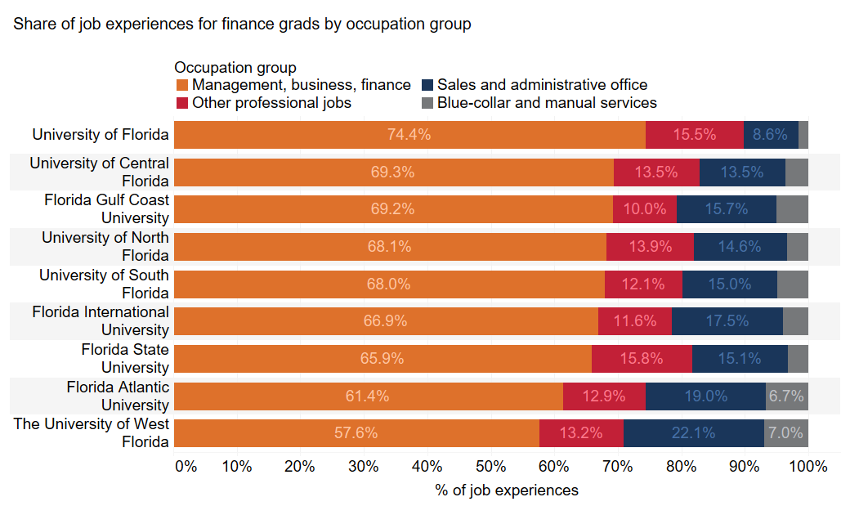
Chart number | #VALUE!
Descriptive title | Share of job experiences for finance grads by occupation group
Note
Source | Burning Glass Institute Analysis of career profiles and Florida administrative data
Client comment | The text on the bars of Figure 4 is difficult to read in a printed version of the report---Patrick, please make the labels easier to read (maybe just use black color labels?)
 | Soc 2019 2 Name (mgmt finance) | Soc 2019 2 Name (mgmt finance) | Soc 2019 2 Name (mgmt finance) | Soc 2019 2 Name (mgmt finance)
School name | Blue-collar and manual services | Sales and administrative office | Other professional jobs | Management, business, finance
University of Florida | 0.015878159 | 0.085763664 | 0.154785051 | 0.743573126
University of Central Florida | 0.036478985 | 0.135210151 | 0.13481364 | 0.693497224
Florida Gulf Coast University | 0.050559067 | 0.157024793 | 0.100145843 | 0.692270297
University of North Florida | 0.034068912 | 0.145954317 | 0.138598529 | 0.681378242
University of South Florida | 0.049055808 | 0.149699335 | 0.121426311 | 0.679818546
Florida International University | 0.040096098 | 0.174550576 | 0.116311822 | 0.669041504
Florida State University | 0.031724138 | 0.151187739 | 0.158467433 | 0.65862069
Florida Atlantic University | 0.066678681 | 0.189944134 | 0.129032258 | 0.614344927
The University of West Florida | 0.070063694 | 0.22133758 | 0.132165605 | 0.576433121

Chart 9 (reorder)
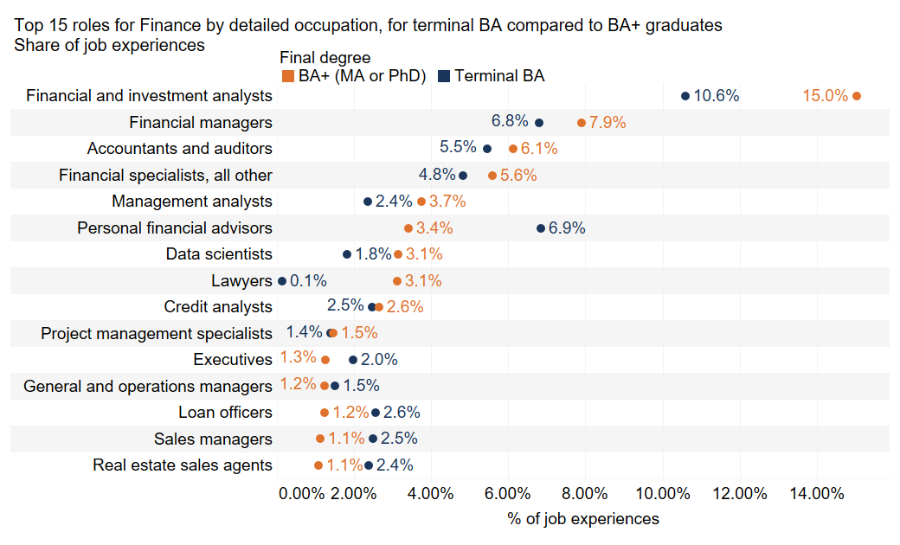
Chart number | #VALUE!
Descriptive title | Top 15 roles for finance grads by detailed occupation, for terminal bachelor's degree compared to bachelor's degree+ graduates, share of job experiences | <- Title has changed
Note
Source | Burning Glass Institute Analysis of career profiles and Florida administrative data

Soc 2019 5 Name | Max Degree (group) | % of Total Count of q_emp_edu_hist_final.csv along Soc 2019 5 Name | Count of q_emp_edu_hist_final.csv | Bgi Id string Count dist
Financial and investment analysts | Bachelor's+ (Master's or PhD) | 0.150270388 | 2,751 | 979
Financial and investment analysts | Terminal Bachelor's | 0.106007497 | 5,232 | 1,933
Financial managers | Bachelor's+ (Master's or PhD) | 0.079095428 | 1,448 | 553
Financial managers | Terminal Bachelor's | 0.067916118 | 3,352 | 1,262
Accountants and auditors | Bachelor's+ (Master's or PhD) | 0.061342656 | 1,123 | 360
Accountants and auditors | Terminal Bachelor's | 0.054604397 | 2,695 | 904
Financial specialists, all other | Bachelor's+ (Master's or PhD) | 0.055880264 | 1,023 | 417
Financial specialists, all other | Terminal Bachelor's | 0.048222065 | 2,380 | 965
Management analysts | Bachelor's+ (Master's or PhD) | 0.037417381 | 685 | 269
Management analysts | Terminal Bachelor's | 0.023624759 | 1,166 | 465
Personal financial advisors | Bachelor's+ (Master's or PhD) | 0.034139946 | 625 | 230
Personal financial advisors | Terminal Bachelor's | 0.068564482 | 3,384 | 1,106
Data scientists | Bachelor's+ (Master's or PhD) | 0.031463375 | 576 | 224
Data scientists | Terminal Bachelor's | 0.018275757 | 902 | 344
Lawyers | Bachelor's+ (Master's or PhD) | 0.031244879 | 572 | 175
Lawyers | Terminal Bachelor's | 0.001377773 | 68 | 20
Credit analysts | Bachelor's+ (Master's or PhD) | 0.026492598 | 485 | 199
Credit analysts | Terminal Bachelor's | 0.024739135 | 1,221 | 479
Project management specialists | Bachelor's+ (Master's or PhD) | 0.014639209 | 268 | 104
Project management specialists | Terminal Bachelor's | 0.01387904 | 685 | 263
Executives | Bachelor's+ (Master's or PhD) | 0.0125635 | 230 | 106
Executives | Terminal Bachelor's | 0.019775099 | 976 | 288
General and operations managers | Bachelor's+ (Master's or PhD) | 0.012454252 | 228 | 91
General and operations managers | Terminal Bachelor's | 0.014952892 | 738 | 260
Loan officers | Bachelor's+ (Master's or PhD) | 0.012345005 | 226 | 85
Loan officers | Terminal Bachelor's | 0.025691419 | 1,268 | 420
Sales managers | Bachelor's+ (Master's or PhD) | 0.011143279 | 204 | 75
Sales managers | Terminal Bachelor's | 0.024941749 | 1,231 | 421
Real estate sales agents | Bachelor's+ (Master's or PhD) | 0.010706287 | 196 | 82
Real estate sales agents | Terminal Bachelor's | 0.023827373 | 1,176 | 375

Chart 10 (reorder)
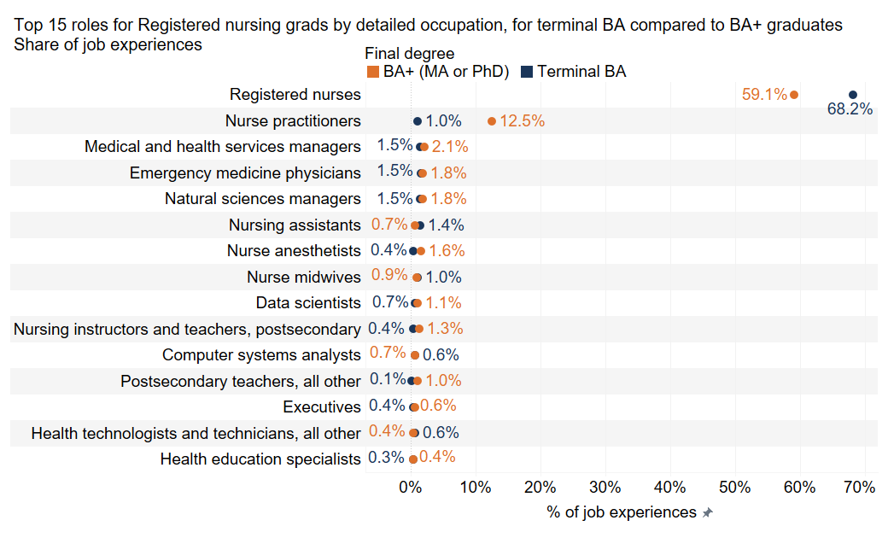
Chart number | #VALUE!
Descriptive title | Top 15 roles for registered nursing grads by detailed occupation, for terminal bachelor's degree compared to bachelor's degree+ graduates, share of job experiences | <- Title has changed
Note
Source | Burning Glass Institute Analysis of career profiles and Florida administrative data
UPDATED | One occupation replaced with another. Chart data below updated.
Soc 2019 5 Name | Max Degree (group) | % of Total Count of q_emp_edu_hist_final.csv along Soc 2019 5 Name | Count of q_emp_edu_hist_final.csv | Bgi Id string Count dist
Registered nurses | Bachelor's+ (Master's or PhD) | 0.591024198 | 8,402 | 1,816
Registered nurses | Terminal Bachelor's | 0.681807744 | 14,845 | 3,505
Nurse practitioners | Bachelor's+ (Master's or PhD) | 0.12542206 | 1,783 | 536
Nurse practitioners | Terminal Bachelor's | 0.009874615 | 215 | 65
Medical and health services managers | Bachelor's+ (Master's or PhD) | 0.020680923 | 294 | 104
Medical and health services managers | Terminal Bachelor's | 0.014605245 | 318 | 100
Emergency medicine physicians | Bachelor's+ (Master's or PhD) | 0.018429938 | 262 | 66
Emergency medicine physicians | Terminal Bachelor's | 0.015202315 | 331 | 113
Natural sciences managers | Bachelor's+ (Master's or PhD) | 0.018078222 | 257 | 85
Natural sciences managers | Terminal Bachelor's | 0.014651173 | 319 | 109
Nursing assistants | Bachelor's+ (Master's or PhD) | 0.006823298 | 97 | 33
Nursing assistants | Terminal Bachelor's | 0.013778533 | 300 | 108
Nurse anesthetists | Bachelor's+ (Master's or PhD) | 0.015545864 | 221 | 63
Nurse anesthetists | Terminal Bachelor's | 0.00413356 | 90 | 30
Nurse midwives | Bachelor's+ (Master's or PhD) | 0.009144626 | 130 | 41
Nurse midwives | Terminal Bachelor's | 0.009874615 | 215 | 73
Data scientists | Bachelor's+ (Master's or PhD) | 0.010551491 | 150 | 52
Data scientists | Terminal Bachelor's | 0.006935195 | 151 | 56
Nursing instructors and teachers, postsecondary | Bachelor's+ (Master's or PhD) | 0.012943163 | 184 | 68
Nursing instructors and teachers, postsecondary | Terminal Bachelor's | 0.004041703 | 88 | 34
Computer systems analysts | Bachelor's+ (Master's or PhD) | 0.006752954 | 96 | 28
Computer systems analysts | Terminal Bachelor's | 0.005741055 | 125 | 28
Postsecondary teachers, all other | Bachelor's+ (Master's or PhD) | 0.009848059 | 140 | 46
Postsecondary teachers, all other | Terminal Bachelor's | 0.001240068 | 27 | 9
Executives | Bachelor's+ (Master's or PhD) | 0.006260551 | 89 | 26
Executives | Terminal Bachelor's | 0.003949846 | 86 | 21
Health technologists and technicians, all other | Bachelor's+ (Master's or PhD) | 0.003587507 | 51 | 20
Health technologists and technicians, all other | Terminal Bachelor's | 0.006429982 | 140 | 38
Health education specialists | Bachelor's+ (Master's or PhD) | 0.004361283 | 62 | 21
Health education specialists | Terminal Bachelor's | 0.003214991 | 70 | 27

CHART UPDATED

Chart 11 (reorder)
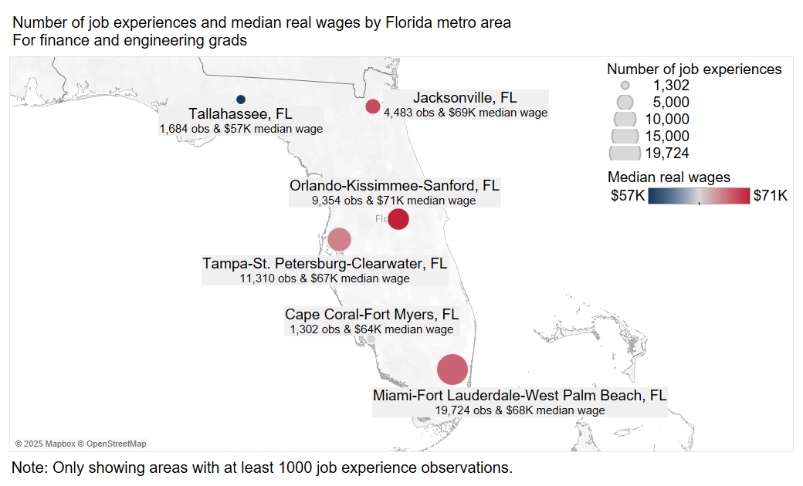
Chart number | #VALUE!
Descriptive title | Number of job experiences and median real annual wages by Florida metro area, for finance and engineering grads
Note | Note: Only showing areas with at least 1000 job experience observations.
Note 2 | Median real annual wages of bachelor's graduates from the 2014–2023 cohorts, measured 1 to 10 years after graduation.
Source | Burning Glass Institute Analysis of career profiles, Glassdoor wage data, Florida administrative data, MyFloridaFuture data, OEWS data and IPUMS ACS data | <- Source wording has changed

Job Cbsa Name | Median imputed_real_wage | Count of q_emp_edu_hist_final.csv | Bgi Id string Count dist
Cape Coral-Fort Myers, FL | 63,878 | 1,302 | 376
Jacksonville, FL | 68,898.50 | 4,483 | 1,233
Miami-Fort Lauderdale-West Palm Beach, FL | 67,948 | 19,724 | 5,151
NA | 65,565.50 | 2,643 | 945
Orlando-Kissimmee-Sanford, FL | 70,678 | 9,354 | 2,492
Tallahassee, FL | 56,792.50 | 1,684 | 538
Tampa-St. Petersburg-Clearwater, FL | 66,816 | 11,310 | 3,013

Chart 12 (reorder)
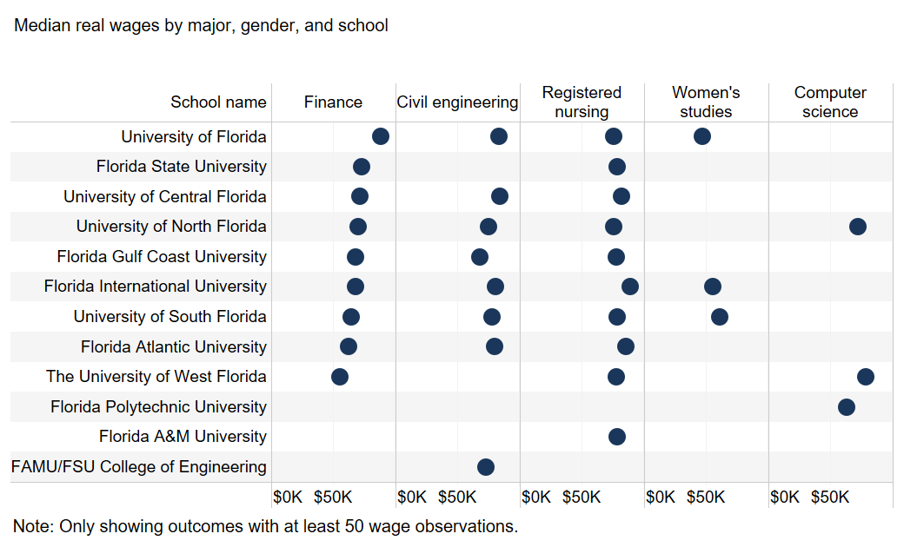
Chart number | #VALUE!
Descriptive title | Median real wages by major and school | <- title updated
Note | Note: Only showing outcomes with at least 50 wage observations.
Note 2 | Median real annual wages of bachelor's graduates from the 2014–2023 cohorts, measured 1 to 10 years after graduation.
Source | Burning Glass Institute Analysis of career profiles, Glassdoor wage data, Florida administrative data, MyFloridaFuture data, OEWS data and IPUMS ACS data | <- Source wording has changed
UPDATED | One school added. Chart data below updated.
School name |  | Finance | Civil engineering | Registered nursing | Women's studies | Computer science
University of Florida | Median imputed_real_wage | 88,411 | 83,926 | 75,902 | 47,286
University of Florida | Count of q_emp_edu_hist_final.csv | 9,318 | 3,206 | 3,404 | 295
University of Florida | Bgi Id string Count dist | 1,839 | 641 | 726 | 68
University of Central Florida | Median imputed_real_wage | 71,696 | 84,114 | 82,062
University of Central Florida | Count of q_emp_edu_hist_final.csv | 12,699 | 3,030 | 8,737
University of Central Florida | Bgi Id string Count dist | 2,462 | 611 | 1,700
Florida State University | Median imputed_real_wage | 73,414 |  | 78,545
Florida State University | Count of q_emp_edu_hist_final.csv | 13,097 |  | 1,357
Florida State University | Bgi Id string Count dist | 2,875 |  | 291
Florida Gulf Coast University | Median imputed_real_wage | 68,376 | 68,099 | 77,900
Florida Gulf Coast University | Count of q_emp_edu_hist_final.csv | 2,057 | 890 | 764
Florida Gulf Coast University | Bgi Id string Count dist | 432 | 189 | 143
University of North Florida | Median imputed_real_wage | 70,452 | 74,900 | 75,797 |  | 72,395
University of North Florida | Count of q_emp_edu_hist_final.csv | 2,632 | 889 | 2,927 |  | 176
University of North Florida | Bgi Id string Count dist | 561 | 203 | 572 |  | 88
Florida International University | Median imputed_real_wage | 68,103 | 80,541 | 89,025 | 55,730
Florida International University | Count of q_emp_edu_hist_final.csv | 12,104 | 2,403 | 4,057 | 274
Florida International University | Bgi Id string Count dist | 2,603 | 497 | 722 | 51
University of South Florida | Median imputed_real_wage | 64,577.50 | 77,749 | 78,737 | 61,055
University of South Florida | Count of q_emp_edu_hist_final.csv | 9,545 | 2,163 | 6,707 | 140
University of South Florida | Bgi Id string Count dist | 1,956 | 420 | 1,273 | 27
Florida Atlantic University | Median imputed_real_wage | 62,247.50 | 80,239 | 85,760
Florida Atlantic University | Count of q_emp_edu_hist_final.csv | 5,574 | 1,481 | 3,429
Florida Atlantic University | Bgi Id string Count dist | 1,204 | 305 | 688
The University of West Florida | Median imputed_real_wage | 55,248 |  | 77,904 |  | 78,602
The University of West Florida | Count of q_emp_edu_hist_final.csv | 636 |  | 3,846 |  | 93
The University of West Florida | Bgi Id string Count dist | 135 |  | 739 |  | 42
Florida A&M University | Median imputed_real_wage |  |  | 78,906
Florida A&M University | Count of q_emp_edu_hist_final.csv |  |  | 761
Florida A&M University | Bgi Id string Count dist |  |  | 133
FAMU/FSU College of Engineering | Median imputed_real_wage |  | 72,769.50
FAMU/FSU College of Engineering | Count of q_emp_edu_hist_final.csv |  | 2,159
FAMU/FSU College of Engineering | Bgi Id string Count dist |  | 438
Florida Polytechnic University | Median imputed_real_wage |  |  |  |  | 63,600
Florida Polytechnic University | Count of q_emp_edu_hist_final.csv |  |  |  |  | 220
Florida Polytechnic University | Bgi Id string Count dist |  |  |  |  | 108

CHART UPDATED

Chart 13 (reorder)
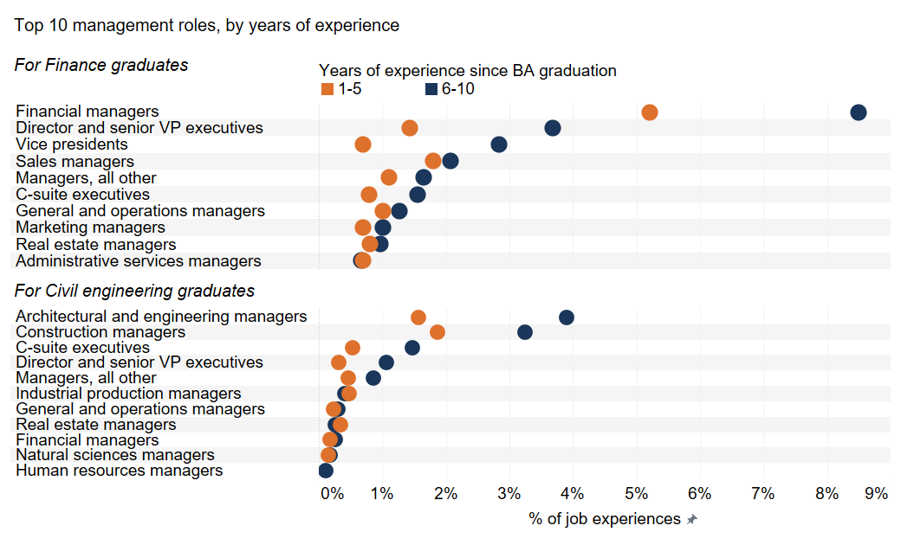
Chart number | #VALUE!
Descriptive title | Top 10 management roles, by years of experience
Note
Source | Burning Glass Institute Analysis of career profiles and Florida administrative data

Major | Soc 2019 2 Name | soc_2019_5_name_adjusted | Years of experience since BA graduation | % of Total Count of q_emp_edu_hist_final.csv along Soc 2019 2 Name, soc_2019_5_name_adjusted | Count of q_emp_edu_hist_final.csv | Bgi Id string Count dist
Finance | Management | Financial managers | 1-5 | 0.05214718 | 2,714 | 1,290
Finance | Management | Financial managers | 6-10 | 0.084971505 | 1,327 | 673
Finance | Management | Director and senior VP executives | 1-5 | 0.014372178 | 748 | 324
Finance | Management | Director and senior VP executives | 6-10 | 0.036754818 | 574 | 290
Finance | Management | Vice presidents | 1-5 | 0.006936305 | 361 | 168
Finance | Management | Vice presidents | 6-10 | 0.028430556 | 444 | 224
Finance | Management | Sales managers | 1-5 | 0.018042079 | 939 | 395
Finance | Management | Sales managers | 6-10 | 0.020682589 | 323 | 153
Finance | Management | C-suite executives | 1-5 | 0.007916226 | 412 | 141
Finance | Management | C-suite executives | 6-10 | 0.015495934 | 242 | 102
Finance | Management | Managers, all other | 1-5 | 0.010990489 | 572 | 252
Finance | Management | Managers, all other | 6-10 | 0.016456426 | 257 | 129
Finance | Management | General and operations managers | 1-5 | 0.010087424 | 525 | 216
Finance | Management | General and operations managers | 6-10 | 0.012614459 | 197 | 97
Finance | Management | Marketing managers | 1-5 | 0.006974733 | 363 | 175
Finance | Management | Marketing managers | 6-10 | 0.01011718 | 158 | 83
Finance | Management | Real estate managers | 1-5 | 0.008050725 | 419 | 189
Finance | Management | Real estate managers | 6-10 | 0.009732983 | 152 | 74
Finance | Management | Administrative services managers | 1-5 | 0.006955519 | 362 | 155
Finance | Management | Administrative services managers | 6-10 | 0.006723442 | 105 | 45
Civil engineering | Management | Architectural and engineering managers | 1-5 | 0.015637726 | 192 | 81
Civil engineering | Management | Architectural and engineering managers | 6-10 | 0.039056556 | 154 | 67
Civil engineering | Management | Construction managers | 1-5 | 0.018651246 | 229 | 92
Civil engineering | Management | Construction managers | 6-10 | 0.032462592 | 128 | 61
Civil engineering | Management | C-suite executives | 1-5 | 0.005375468 | 66 | 22
Civil engineering | Management | C-suite executives | 6-10 | 0.014709612 | 58 | 26
Civil engineering | Management | Director and senior VP executives | 1-5 | 0.003176413 | 39 | 18
Civil engineering | Management | Director and senior VP executives | 6-10 | 0.010651788 | 42 | 18
Civil engineering | Management | Managers, all other | 1-5 | 0.00464245 | 57 | 22
Civil engineering | Management | Managers, all other | 6-10 | 0.008622876 | 34 | 18
Civil engineering | Management | Industrial production managers | 1-5 | 0.004723896 | 58 | 27
Civil engineering | Management | Industrial production managers | 6-10 | 0.004057824 | 16 | 9
Civil engineering | Management | General and operations managers | 1-5 | 0.002361948 | 29 | 12
Civil engineering | Management | General and operations managers | 6-10 | 0.003043368 | 12 | 7
Civil engineering | Management | Real estate managers | 1-5 | 0.003420753 | 42 | 15
Civil engineering | Management | Real estate managers | 6-10 | 0.00253614 | 10 | 6
Civil engineering | Management | Financial managers | 1-5 | 0.001710376 | 21 | 8
Civil engineering | Management | Financial managers | 6-10 | 0.00253614 | 10 | 5
Civil engineering | Management | Natural sciences managers | 1-5 | 0.001466037 | 18 | 7
Civil engineering | Management | Natural sciences managers | 6-10 | 0.001775298 | 7 | 3
Civil engineering | Management | Human resources managers | 6-10 | 0.001014456 | 4 | 1

Chart 14 (reorder)
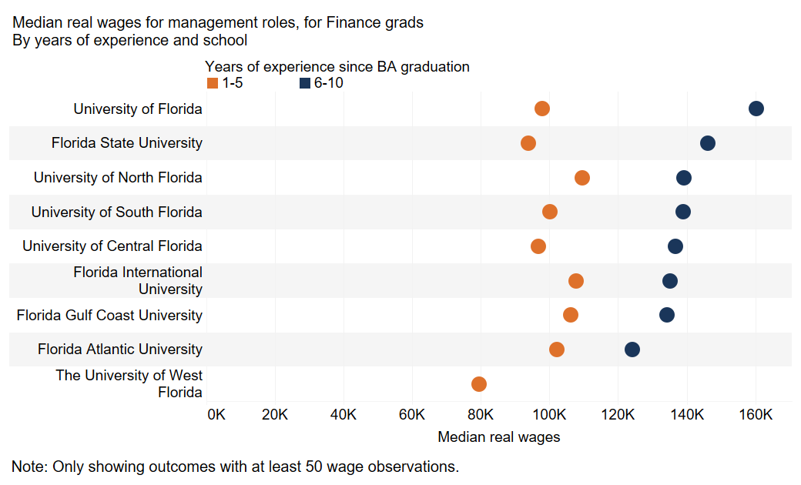
Chart number | #VALUE!
Descriptive title | Median real wages for management roles, for finance grads, by years of experience and school
Note | Note: Only showing outcomes with at least 50 wage observations.
Note 2 | Median real annual wages of bachelor's graduates from the 2014–2023 cohorts, measured 1 to 10 years after graduation.
Source | Burning Glass Institute Analysis of career profiles, Glassdoor wage data, Florida administrative data, MyFloridaFuture data, OEWS data and IPUMS ACS data | <- Source wording has changed

School name | Years of experience since Bachelor's graduation | Median imputed_real_wage | Count of imputed_real_wage (count) | Bgi Id string Count dist
University of Florida | 1-5 | 97,820 | 1,104 | 478
University of Florida | 6-10 | 160,385 | 792 | 355
Florida State University | 1-5 | 93,771 | 1,569 | 697
Florida State University | 6-10 | 146,135 | 845 | 398
University of North Florida | 1-5 | 109,683 | 323 | 130
University of North Florida | 6-10 | 139,106 | 125 | 62
University of South Florida | 1-5 | 100,178 | 1,190 | 484
University of South Florida | 6-10 | 138,966 | 571 | 257
University of Central Florida | 1-5 | 96,859 | 1,623 | 651
University of Central Florida | 6-10 | 136,817 | 883 | 402
Florida International University | 1-5 | 107,681 | 2,056 | 765
Florida International University | 6-10 | 135,216 | 863 | 358
Florida Gulf Coast University | 1-5 | 106,140 | 317 | 126
Florida Gulf Coast University | 6-10 | 134,361 | 116 | 60
Florida Atlantic University | 1-5 | 102,102 | 825 | 316
Florida Atlantic University | 6-10 | 124,276 | 303 | 129
The University of West Florida | 1-5 | 79,402 | 75 | 36

Chart 15 (reorder)
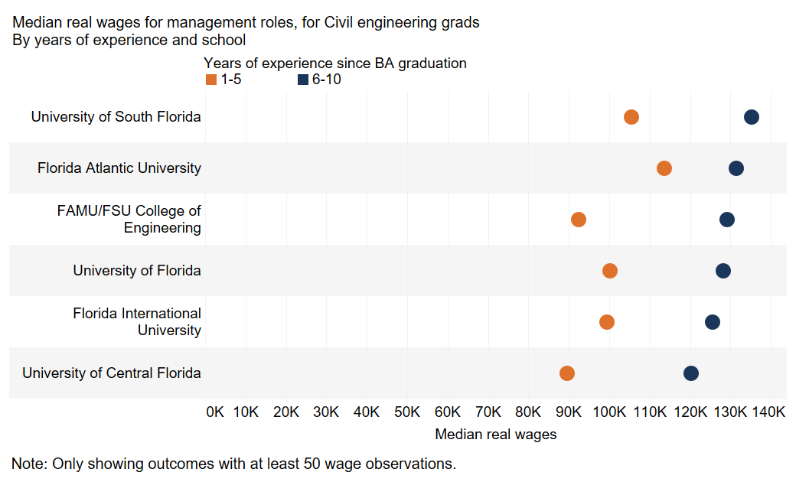
Chart number | #VALUE!
Descriptive title | Median real wages for management roles, for civil engineering grads, by years of experience and school
Note | Note: Only showing outcomes with at least 50 wage observations.
Note 2 | Median real annual wages of bachelor's graduates from the 2014–2023 cohorts, measured 1 to 10 years after graduation.
Source | Burning Glass Institute Analysis of career profiles, Glassdoor wage data, Florida administrative data, MyFloridaFuture data, OEWS data and IPUMS ACS data | <- Source wording has changed

School name | Years of experience since BA graduation | Median imputed_real_wage | Count of q_emp_edu_hist_final.csv | Bgi Id string Count dist
University of Florida | 1-5 | 100,181.00 | 181 | 69
University of Florida | 6-10 | 128,143.00 | 102 | 50
Florida International University | 1-5 | 99,379.00 | 173 | 65
Florida International University | 6-10 | 125,552.00 | 75 | 34
University of South Florida | 1-5 | 105,545.00 | 121 | 47
University of South Florida | 6-10 | 135,276.00 | 77 | 34
Florida Atlantic University | 1-5 | 113,715.00 | 86 | 32
Florida Atlantic University | 6-10 | 131,429.50 | 54 | 21
University of Central Florida | 1-5 | 89,612.00 | 131 | 50
University of Central Florida | 6-10 | 120,171.00 | 92 | 40
FAMU/FSU College of Engineering | 1-5 | 92,474.00 | 119 | 44
FAMU/FSU College of Engineering | 6-10 | 129,130.00 | 78 | 38

Chart 16 (reorder)
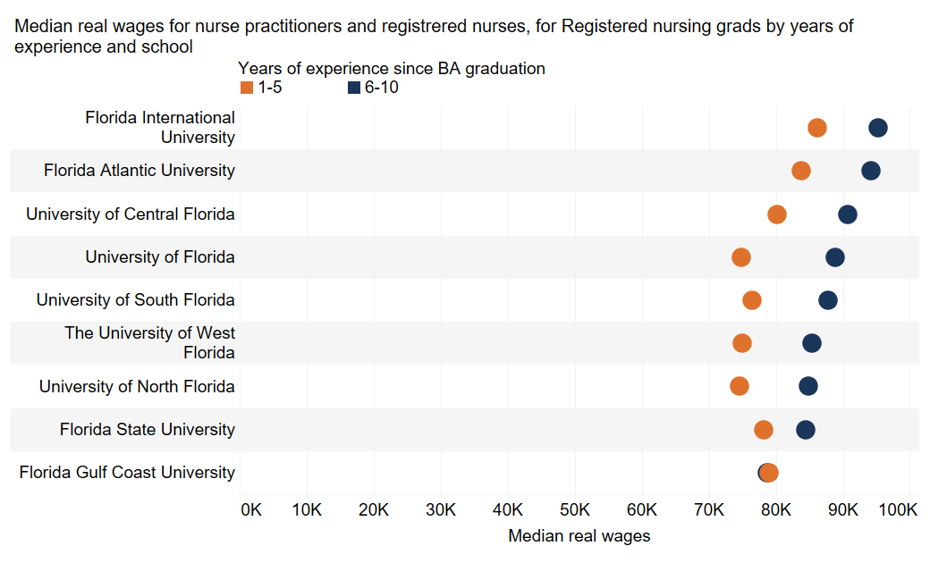
Chart number | #VALUE!
Descriptive title | Median real wages for nurse practitioners and registrered nurses, for registered nursing grads by years of experience and school
Note | Median real annual wages of bachelor's graduates from the 2014–2023 cohorts, measured 1 to 10 years after graduation.
Source | Burning Glass Institute Analysis of career profiles, Glassdoor wage data, Florida administrative data, MyFloridaFuture data, OEWS data and IPUMS ACS data | <- Source wording has changed

School name | Years of experience since Bachelor's graduation | Median imputed_real_wage | Count of q_emp_edu_hist_final.csv | Bgi Id string Count dist
Florida International University | 1-5 | 86,260 | 1,959 | 537
Florida International University | 6-10 | 95,208 | 725 | 280
Florida Atlantic University | 1-5 | 83,792 | 1,800 | 519
Florida Atlantic University | 6-10 | 94,260 | 616 | 230
University of Central Florida | 1-5 | 80,243 | 4,621 | 1,320
University of Central Florida | 6-10 | 90,741 | 1,444 | 533
University of Florida | 1-5 | 74,891 | 2,087 | 580
University of Florida | 6-10 | 88,921 | 473 | 205
University of South Florida | 1-5 | 76,455 | 3,493 | 969
University of South Florida | 6-10 | 87,740 | 1,200 | 446
The University of West Florida | 1-5 | 75,036 | 2,076 | 567
The University of West Florida | 6-10 | 85,406 | 541 | 250
University of North Florida | 1-5 | 74,645 | 1,560 | 433
University of North Florida | 6-10 | 84,873 | 511 | 195
Florida State University | 1-5 | 78,198 | 800 | 228
Florida State University | 6-10 | 84,511 | 214 | 82
Florida Gulf Coast University | 1-5 | 78,961 | 450 | 118
Florida Gulf Coast University | 6-10 | 78,713 | 134 | 52

Chart 17 (reorder)
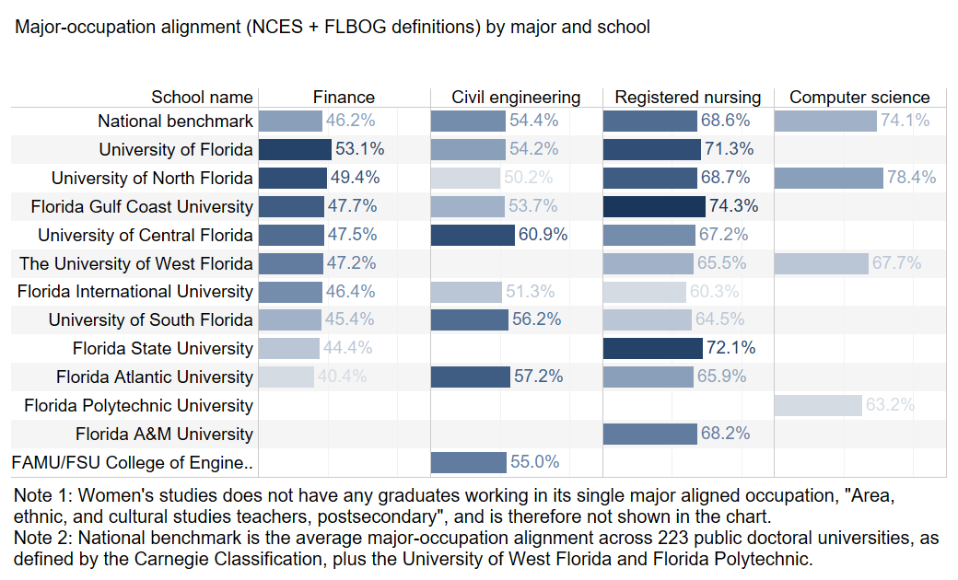
Chart number | #VALUE!
Descriptive title
Note | Note 1: Women's studies does not have any graduates working in its single major aligned occupation, "Area, ethnic, and cultural studies teachers, postsecondary", and is therefore not shown in the chart. Note 2: National benchmark is the average major-occupation alignment across 223 public doctoral universities, as defined by the Carnegie Classification, plus the University of West Florida and Florida Polytechnic.
Source | Burning Glass Institute Analysis of career profiles, Florida administrative data, and Florida’s CIP-SOC crosswalk
DATA UPDATED. SCHOOL ADDED
School name | Finance | Civil engineering | Registered nursing | Computer science
National benchmark | 0.461883 | 0.544102 | 0.686019 | 0.740603
University of Florida | 0.531243 | 0.542044 | 0.712985
University of North Florida | 0.493541 | 0.501699 | 0.68671 | 0.784091
Florida Gulf Coast University | 0.477394 | 0.537079 | 0.743455
University of Central Florida | 0.474874 | 0.609112 | 0.67197
The University of West Florida | 0.471698 |  | 0.655226 | 0.677419
Florida International University | 0.463691 | 0.513344 | 0.602909
University of South Florida | 0.454145 | 0.562182 | 0.645296
Florida State University | 0.443537 |  | 0.720707
Florida Atlantic University | 0.404389 | 0.571911 | 0.658879
Florida Polytechnic University |  |  |  | 0.631818
Florida A&M University |  |  | 0.681997
FAMU/FSU College of Engineering |  | 0.550255

CHART UPDATED. ALSO COLORING.

Chart A.1
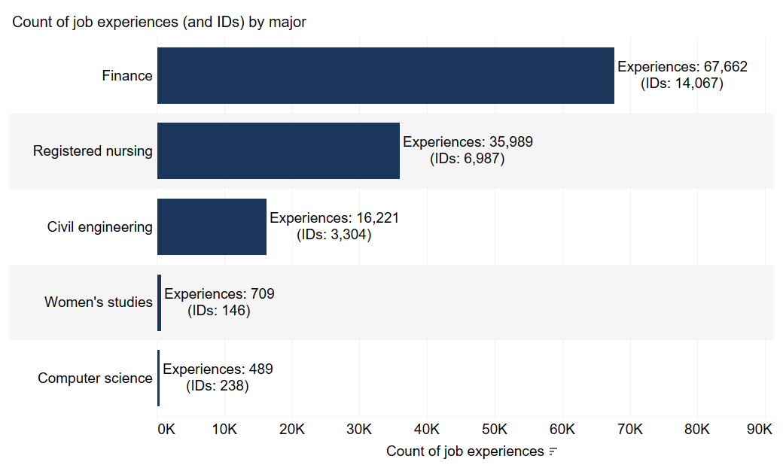
Chart number | #VALUE!
Descriptive title | Count of job experiences (and IDs) by major
Note
Source | Burning Glass Institute Analysis of career profiles and Florida administrative data

cip6_2020_name_clean (copy) | Count of q_emp_edu_hist_final.csv | Bgi Id string Count dist
Computer science | 489 | 238
Women's studies | 709 | 146
Civil engineering | 16,221 | 3,304
Registered nursing | 35,989 | 6,987
Finance | 67,662 | 14,067

Chart A.2
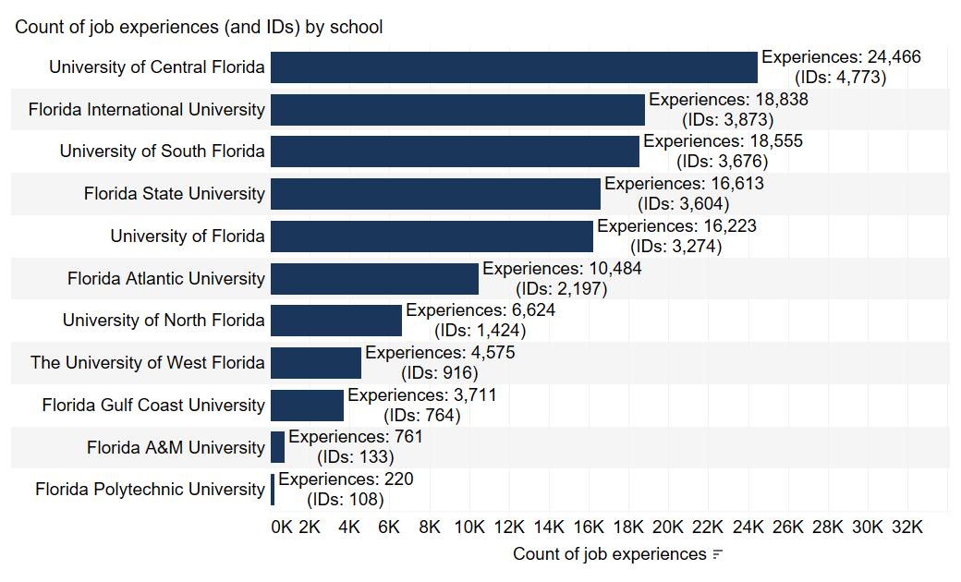
Chart number | #VALUE!
Descriptive title | Count of job experiences (and IDs) by school
Note
Source | Burning Glass Institute Analysis of career profiles and Florida administrative data

School name | Count of q_emp_edu_hist_final.csv | Bgi Id string Count dist
Florida Polytechnic University | 220 | 108
Florida A&M University | 761 | 133
Florida Gulf Coast University | 3,711 | 764
The University of West Florida | 4,575 | 916
University of North Florida | 6,624 | 1,424
Florida Atlantic University | 10,484 | 2,197
University of Florida | 16,223 | 3,274
Florida State University | 16,613 | 3,604
University of South Florida | 18,555 | 3,676
Florida International University | 18,838 | 3,873
University of Central Florida | 24,466 | 4,773

Table B.2
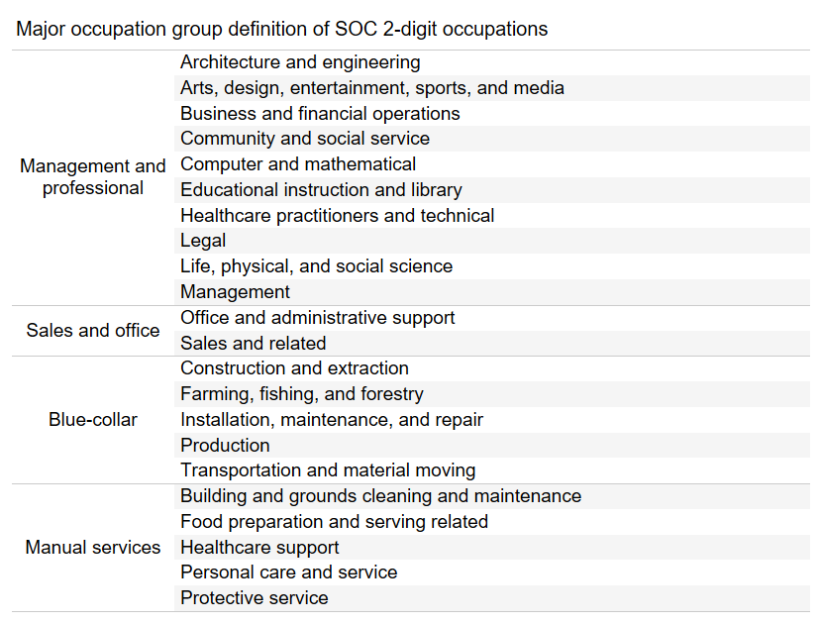
Chart number | #VALUE!
Descriptive title | Major occupation group definition of SOC 2-digit occupations
Note
Source

SOC2 group | SOC2 occupation
Management and professional | Architecture and engineering
Management and professional | Arts, design, entertainment, sports, and media
Management and professional | Business and financial operations
Management and professional | Community and social service
Management and professional | Computer and mathematical
Management and professional | Educational instruction and library
Management and professional | Healthcare practitioners and technical
Management and professional | Legal
Management and professional | Life, physical, and social science
Management and professional | Management
Sales and office | Office and administrative support
Sales and office | Sales and related
Blue-collar | Construction and extraction
Blue-collar | Farming, fishing, and forestry
Blue-collar | Installation, maintenance, and repair
Blue-collar | Production
Blue-collar | Transportation and material moving
Manual services | Building and grounds cleaning and maintenance
Manual services | Food preparation and serving related
Manual services | Healthcare support
Manual services | Personal care and service
Manual services | Protective service

Table B.3
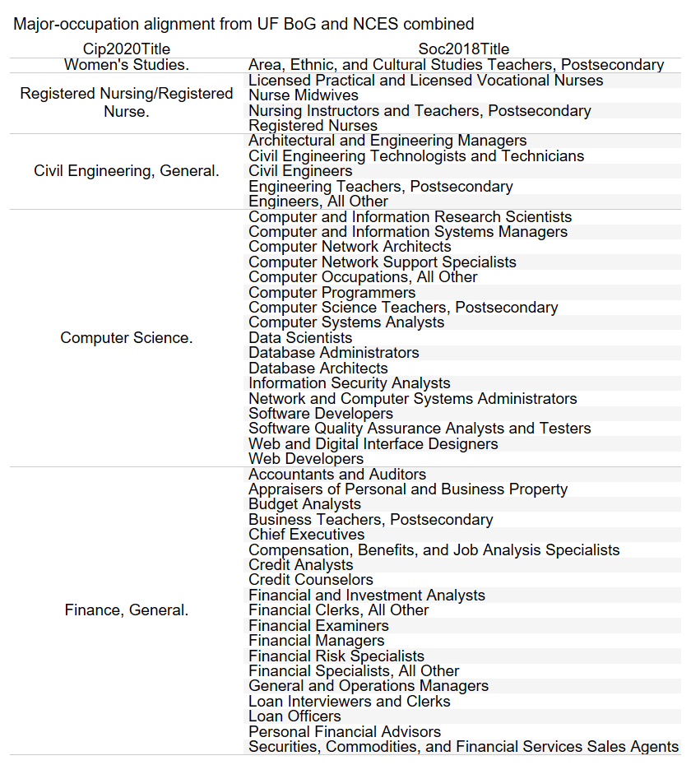
Chart number | #VALUE!
Descriptive title | Major-occupation alignment from FLBOG and NCES combined
Note
Source

Cip2020Title | Soc2018Title
Women's Studies. | Area, Ethnic, and Cultural Studies Teachers, Postsecondary
Registered Nursing/Registered Nurse. | Licensed Practical and Licensed Vocational Nurses
Registered Nursing/Registered Nurse. | Nurse Midwives
Registered Nursing/Registered Nurse. | Nursing Instructors and Teachers, Postsecondary
Registered Nursing/Registered Nurse. | Registered Nurses
Civil Engineering, General. | Architectural and Engineering Managers
Civil Engineering, General. | Civil Engineering Technologists and Technicians
Civil Engineering, General. | Civil Engineers
Civil Engineering, General. | Engineering Teachers, Postsecondary
Civil Engineering, General. | Engineers, All Other
Computer Science. | Computer and Information Research Scientists
Computer Science. | Computer and Information Systems Managers
Computer Science. | Computer Network Architects
Computer Science. | Computer Network Support Specialists
Computer Science. | Computer Occupations, All Other
Computer Science. | Computer Programmers
Computer Science. | Computer Science Teachers, Postsecondary
Computer Science. | Computer Systems Analysts
Computer Science. | Data Scientists
Computer Science. | Database Administrators
Computer Science. | Database Architects
Computer Science. | Information Security Analysts
Computer Science. | Network and Computer Systems Administrators
Computer Science. | Software Developers
Computer Science. | Software Quality Assurance Analysts and Testers
Computer Science. | Web and Digital Interface Designers
Computer Science. | Web Developers
Finance, General. | Accountants and Auditors
Finance, General. | Appraisers of Personal and Business Property
Finance, General. | Budget Analysts
Finance, General. | Business Teachers, Postsecondary
Finance, General. | Chief Executives
Finance, General. | Compensation, Benefits, and Job Analysis Specialists
Finance, General. | Credit Analysts
Finance, General. | Credit Counselors
Finance, General. | Financial and Investment Analysts
Finance, General. | Financial Clerks, All Other
Finance, General. | Financial Examiners
Finance, General. | Financial Managers
Finance, General. | Financial Risk Specialists
Finance, General. | Financial Specialists, All Other
Finance, General. | General and Operations Managers
Finance, General. | Loan Interviewers and Clerks
Finance, General. | Loan Officers
Finance, General. | Personal Financial Advisors
Finance, General. | Securities, Commodities, and Financial Services Sales Agents

Table B.5
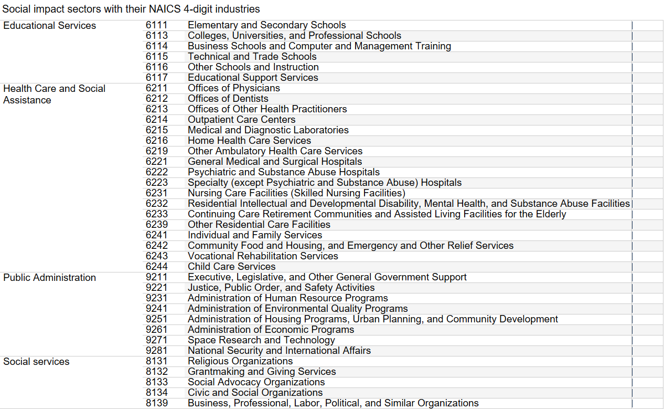
Chart number | #VALUE!
Descriptive title | Social impact sectors with their NAICS 4-digit industries
Note
Source

Educational Services | 6111 | Elementary and Secondary Schools
Educational Services | 6113 | Colleges, Universities, and Professional Schools
Educational Services | 6114 | Business Schools and Computer and Management Training
Educational Services | 6115 | Technical and Trade Schools
Educational Services | 6116 | Other Schools and Instruction
Educational Services | 6117 | Educational Support Services
Health Care and Social Assistance | 6211 | Offices of Physicians
Health Care and Social Assistance | 6212 | Offices of Dentists
Health Care and Social Assistance | 6213 | Offices of Other Health Practitioners
Health Care and Social Assistance | 6214 | Outpatient Care Centers
Health Care and Social Assistance | 6215 | Medical and Diagnostic Laboratories
Health Care and Social Assistance | 6216 | Home Health Care Services
Health Care and Social Assistance | 6219 | Other Ambulatory Health Care Services
Health Care and Social Assistance | 6221 | General Medical and Surgical Hospitals
Health Care and Social Assistance | 6222 | Psychiatric and Substance Abuse Hospitals
Health Care and Social Assistance | 6223 | Specialty (except Psychiatric and Substance Abuse) Hospitals
Health Care and Social Assistance | 6231 | Nursing Care Facilities (Skilled Nursing Facilities)
Health Care and Social Assistance | 6232 | Residential Intellectual and Developmental Disability, Mental Health, and Substance Abuse Facilities
Health Care and Social Assistance | 6233 | Continuing Care Retirement Communities and Assisted Living Facilities for the Elderly
Health Care and Social Assistance | 6239 | Other Residential Care Facilities
Health Care and Social Assistance | 6241 | Individual and Family Services
Health Care and Social Assistance | 6242 | Community Food and Housing, and Emergency and Other Relief Services
Health Care and Social Assistance | 6243 | Vocational Rehabilitation Services
Health Care and Social Assistance | 6244 | Child Care Services
Public Administration | 9211 | Executive, Legislative, and Other General Government Support
Public Administration | 9221 | Justice, Public Order, and Safety Activities
Public Administration | 9231 | Administration of Human Resource Programs
Public Administration | 9241 | Administration of Environmental Quality Programs
Public Administration | 9251 | Administration of Housing Programs, Urban Planning, and Community Development
Public Administration | 9261 | Administration of Economic Programs
Public Administration | 9271 | Space Research and Technology
Public Administration | 9281 | National Security and International Affairs
Social services | 8131 | Religious Organizations
Social services | 8132 | Grantmaking and Giving Services
Social services | 8133 | Social Advocacy Organizations
Social services | 8134 | Civic and Social Organizations
Social services | 8139 | Business, Professional, Labor, Political, and Similar Organizations

Chart B.1
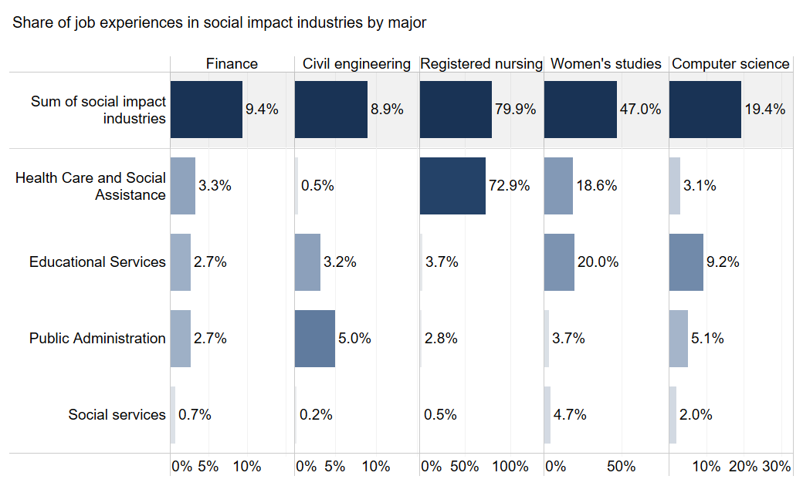
Chart number | #VALUE!
Descriptive title | Share of job experiences in all social impact industries combined by major and school
Note
Source | Burning Glass Institute Analysis of career profiles and Florida administrative data
DATA UPDATED BELOW. SCHOOL ADDED. CHART COLORING ALSO NEEDS TO BE UPDATED. SEE MORE SPECIFICS BELOW.
naics2_name_adjusted (group) | School name |  | Finance | Civil engineering | Registered nursing | Women's studies | Computer science
Social impact industries | University of Florida | % of Total Count of q_emp_edu_hist_final.csv along naics2_name_adjusted (group) | 0.077162481 | 0.089831566 | 0.846650999 | 0.444067797
Social impact industries | University of Florida | Count of q_emp_edu_hist_final.csv | 719 | 288 | 2,882 | 131
Social impact industries | University of Florida | Bgi Id string Count dist | 248 | 93 | 655 | 42
Social impact industries | Florida State University | % of Total Count of q_emp_edu_hist_final.csv along naics2_name_adjusted (group) | 0.086279301 |  | 0.828297716
Social impact industries | Florida State University | Count of q_emp_edu_hist_final.csv | 1,130 |  | 1,124
Social impact industries | Florida State University | Bgi Id string Count dist | 395 |  | 260
Social impact industries | University of North Florida | % of Total Count of q_emp_edu_hist_final.csv along naics2_name_adjusted (group) | 0.07674772 | 0.13048369 | 0.825076871 |  | 0.1875
Social impact industries | University of North Florida | Count of q_emp_edu_hist_final.csv | 202 | 116 | 2,415 |  | 33
Social impact industries | University of North Florida | Bgi Id string Count dist | 64 | 32 | 507 |  | 23
Social impact industries | University of South Florida | % of Total Count of q_emp_edu_hist_final.csv along naics2_name_adjusted (group) | 0.095547407 | 0.077669903 | 0.805576264 | 0.378571429
Social impact industries | University of South Florida | Count of q_emp_edu_hist_final.csv | 912 | 168 | 5,403 | 53
Social impact industries | University of South Florida | Bgi Id string Count dist | 289 | 57 | 1,109 | 14
Social impact industries | The University of West Florida | % of Total Count of q_emp_edu_hist_final.csv along naics2_name_adjusted (group) | 0.127358491 |  | 0.796151846 |  | 0.333333333
Social impact industries | The University of West Florida | Count of q_emp_edu_hist_final.csv | 81 |  | 3,062 |  | 31
Social impact industries | The University of West Florida | Bgi Id string Count dist | 22 |  | 647 |  | 16
Social impact industries | Florida Atlantic University | % of Total Count of q_emp_edu_hist_final.csv along naics2_name_adjusted (group) | 0.102081091 | 0.118163403 | 0.789442986
Social impact industries | Florida Atlantic University | Count of q_emp_edu_hist_final.csv | 569 | 175 | 2,707
Social impact industries | Florida Atlantic University | Bgi Id string Count dist | 179 | 49 | 601
Social impact industries | Florida Gulf Coast University | % of Total Count of q_emp_edu_hist_final.csv along naics2_name_adjusted (group) | 0.07389402 | 0.086516854 | 0.787958115
Social impact industries | Florida Gulf Coast University | Count of q_emp_edu_hist_final.csv | 152 | 77 | 602
Social impact industries | Florida Gulf Coast University | Bgi Id string Count dist | 45 | 24 | 126
Social impact industries | University of Central Florida | % of Total Count of q_emp_edu_hist_final.csv along naics2_name_adjusted (group) | 0.096464289 | 0.04290429 | 0.781389493
Social impact industries | University of Central Florida | Count of q_emp_edu_hist_final.csv | 1,225 | 130 | 6,827
Social impact industries | University of Central Florida | Bgi Id string Count dist | 357 | 40 | 1,471
Social impact industries | Florida International University | % of Total Count of q_emp_edu_hist_final.csv along naics2_name_adjusted (group) | 0.113103106 | 0.109862672 | 0.77840769 | 0.54379562
Social impact industries | Florida International University | Count of q_emp_edu_hist_final.csv | 1,369 | 264 | 3,158 | 149
Social impact industries | Florida International University | Bgi Id string Count dist | 422 | 68 | 614 | 35
Social impact industries | Florida A&M University | % of Total Count of q_emp_edu_hist_final.csv along naics2_name_adjusted (group) |  |  | 0.76478318
Social impact industries | Florida A&M University | Count of q_emp_edu_hist_final.csv |  |  | 582
Social impact industries | Florida A&M University | Bgi Id string Count dist |  |  | 118
Social impact industries | Florida Polytechnic University | % of Total Count of q_emp_edu_hist_final.csv along naics2_name_adjusted (group) |  |  |  |  | 0.140909091
Social impact industries | Florida Polytechnic University | Count of q_emp_edu_hist_final.csv |  |  |  |  | 31
Social impact industries | Florida Polytechnic University | Bgi Id string Count dist |  |  |  |  | 18
Social impact industries | FAMU/FSU College of Engineering | % of Total Count of q_emp_edu_hist_final.csv along naics2_name_adjusted (group) |  | 0.107920333
Social impact industries | FAMU/FSU College of Engineering | Count of q_emp_edu_hist_final.csv |  | 233
Social impact industries | FAMU/FSU College of Engineering | Bgi Id string Count dist |  | 68

CHART UPDATED. ALSO COLORING
REQUEST FOR PATRICK. If possible, create a blue gradient coloring within each column, highlighting the highest in the darkest blue. So for example, in Finance the 12.7% would be dark blue, but in registrered nursing this would be the 84.7% in the same dark blue.
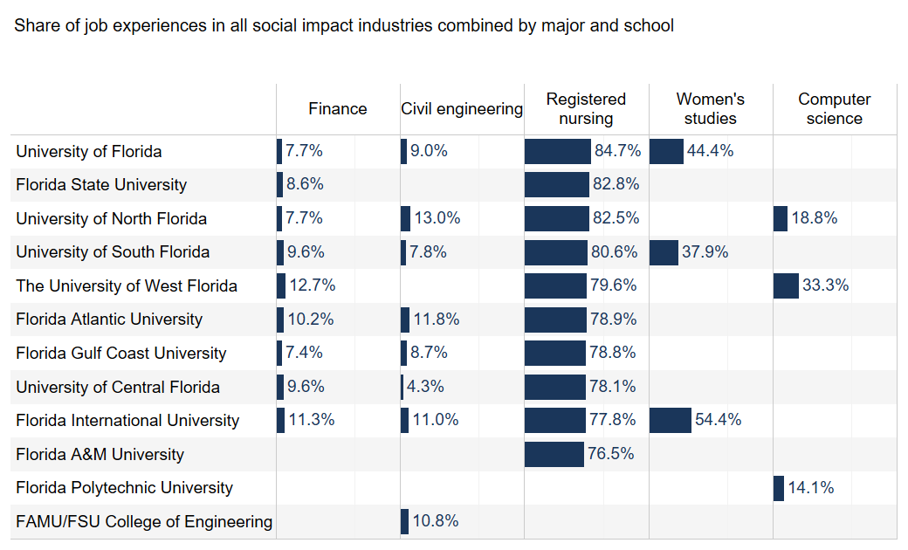
 |  |  |  |  |  |  |  | FOR EXAMPLE LIKE THIS:

Chart E.1
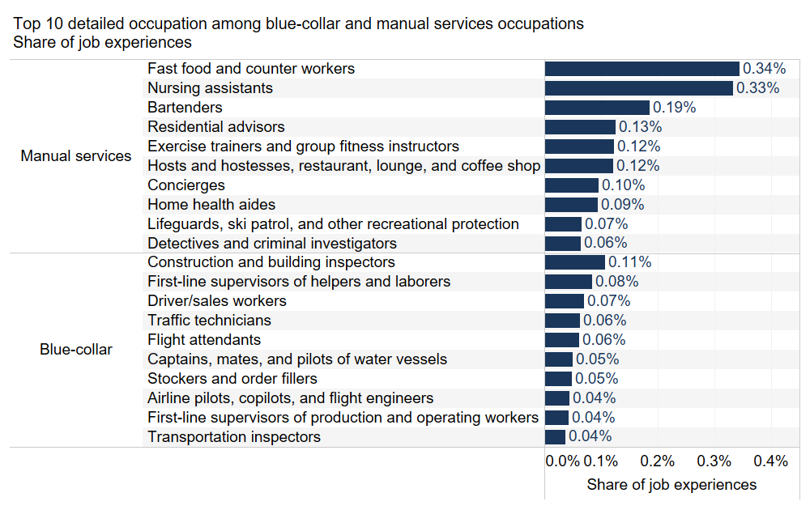
Chart number | #VALUE!
Descriptive title | Top 10 detailed occupation among blue-collar and manual services occupations, share of job experiences
Note
Source | Burning Glass Institute Analysis of career profiles and Florida administrative data

Soc 2019 2 Name (group) 3 | soc_2019_5_name_adjusted | % of Total Count of q_emp_edu_hist_final.csv along Soc 2019 2 Name (group) 3, soc_2019_5_name_adjusted | Count of q_emp_edu_hist_final.csv | Bgi Id string Count dist
Manual services | Fast food and counter workers | 0.003444126 | 415 | 150
Manual services | Nursing assistants | 0.003327939 | 401 | 144
Manual services | Bartenders | 0.001858998 | 224 | 84
Manual services | Residential advisors | 0.001253164 | 151 | 60
Manual services | Exercise trainers and group fitness instructors | 0.001228267 | 148 | 48
Manual services | Hosts and hostesses, restaurant, lounge, and coffee shop | 0.001219968 | 147 | 59
Manual services | Concierges | 0.000954396 | 115 | 44
Manual services | Home health aides | 0.000946097 | 114 | 42
Manual services | Lifeguards, ski patrol, and other recreational protection | 0.000663928 | 80 | 24
Manual services | Detectives and criminal investigators | 0.000639031 | 77 | 25
Blue-collar | Construction and building inspectors | 0.001070584 | 129 | 46
Blue-collar | First-line supervisors of helpers and laborers | 0.000838209 | 101 | 37
Blue-collar | Driver/sales workers | 0.000705423 | 85 | 38
Blue-collar | Traffic technicians | 0.000622432 | 75 | 28
Blue-collar | Flight attendants | 0.000614133 | 74 | 18
Blue-collar | Captains, mates, and pilots of water vessels | 0.000506245 | 61 | 16
Blue-collar | Stockers and order fillers | 0.000481348 | 58 | 24
Blue-collar | Airline pilots, copilots, and flight engineers | 0.000448151 | 54 | 16
Blue-collar | First-line supervisors of production and operating workers | 0.000431553 | 52 | 17
Blue-collar | Transportation inspectors | 0.00036516 | 44 | 20

Chart E.5
Chart number | #VALUE!
Descriptive title | Earnings Curves by School for Computer Scientists |  | Note on colors: please ensure they are easily discernable; our readers had trouble distinguishing between the blues and purples currently used.
Note
Source | Burning Glass Institute Analysis of career profiles, Glassdoor wage data, Florida administrative data, MyFloridaFuture data, OEWS data and IPUMS ACS data

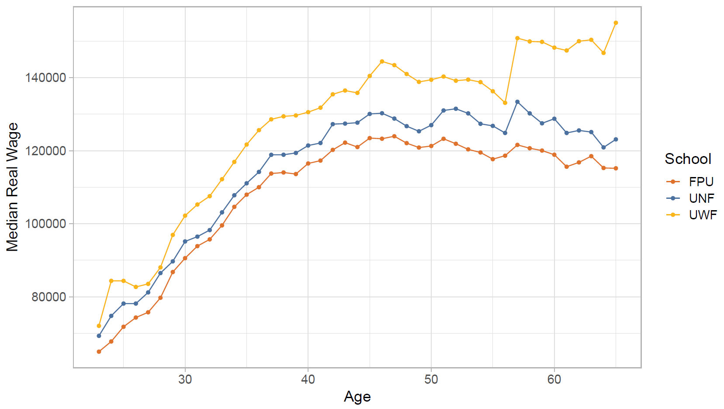
school | age | median_wage
FPU | 23 | 64968
FPU | 24 | 67758
FPU | 25 | 71786
FPU | 26 | 74311
FPU | 27 | 75747
FPU | 28 | 79722
FPU | 29 | 86770
FPU | 30 | 90563
FPU | 31 | 93868
FPU | 32 | 95707
FPU | 33 | 99543
FPU | 34 | 104615
FPU | 35 | 107954
FPU | 36 | 110001
FPU | 37 | 113736
FPU | 38 | 114022
FPU | 39 | 113596
FPU | 40 | 116492
FPU | 41 | 117278
FPU | 42 | 120218
FPU | 43 | 122194
FPU | 44 | 120989
FPU | 45 | 123439
FPU | 46 | 123266
FPU | 47 | 123945
FPU | 48 | 122061
FPU | 49 | 120850
FPU | 50 | 121276
FPU | 51 | 123249
FPU | 52 | 121889
FPU | 53 | 120350
FPU | 54 | 119504
FPU | 55 | 117671
FPU | 56 | 118621
FPU | 57 | 121580
FPU | 58 | 120664
FPU | 59 | 120025
FPU | 60 | 118886
FPU | 61 | 115604
FPU | 62 | 116794
FPU | 63 | 118492
FPU | 64 | 115260
FPU | 65 | 115175
UNF | 23 | 69295
UNF | 24 | 74762
UNF | 25 | 78136
UNF | 26 | 78136
UNF | 27 | 81192
UNF | 28 | 86486
UNF | 29 | 89692
UNF | 30 | 95144
UNF | 31 | 96464
UNF | 32 | 98255
UNF | 33 | 103106
UNF | 34 | 107786
UNF | 35 | 111068
UNF | 36 | 114177
UNF | 37 | 118858
UNF | 38 | 118881
UNF | 39 | 119371
UNF | 40 | 121407
UNF | 41 | 122096
UNF | 42 | 127259
UNF | 43 | 127408
UNF | 44 | 127669
UNF | 45 | 130056
UNF | 46 | 130244
UNF | 47 | 128787
UNF | 48 | 126708
UNF | 49 | 125306
UNF | 50 | 126984
UNF | 51 | 131002
UNF | 52 | 131472
UNF | 53 | 130204
UNF | 54 | 127350
UNF | 55 | 126785
UNF | 56 | 124848
UNF | 57 | 133378
UNF | 58 | 130211
UNF | 59 | 127484
UNF | 60 | 128743
UNF | 61 | 124850
UNF | 62 | 125537
UNF | 63 | 125094
UNF | 64 | 120890
UNF | 65 | 123092
UWF | 23 | 72030
UWF | 24 | 84351
UWF | 25 | 84351
UWF | 26 | 82688
UWF | 27 | 83522
UWF | 28 | 88042
UWF | 29 | 96930
UWF | 30 | 102203
UWF | 31 | 105258
UWF | 32 | 107539
UWF | 33 | 112174
UWF | 34 | 116916
UWF | 35 | 121670
UWF | 36 | 125610
UWF | 37 | 128578
UWF | 38 | 129387
UWF | 39 | 129639
UWF | 40 | 130537
UWF | 41 | 131764
UWF | 42 | 135428
UWF | 43 | 136462
UWF | 44 | 135812
UWF | 45 | 140455
UWF | 46 | 144429
UWF | 47 | 143418
UWF | 48 | 140988
UWF | 49 | 138827
UWF | 50 | 139410
UWF | 51 | 140290
UWF | 52 | 139152
UWF | 53 | 139448
UWF | 54 | 138762
UWF | 55 | 136273
UWF | 56 | 133098
UWF | 57 | 150805
UWF | 58 | 149900
UWF | 59 | 149788
UWF | 60 | 148216
UWF | 61 | 147424
UWF | 62 | 149963
UWF | 63 | 150341
UWF | 64 | 146766
UWF | 65 | 155014

Chart E.7
Chart number | #VALUE!
Descriptive title | Earnings Versus Counterfactual for Students Who Earn More Than a Bachelor's Degree | <- Title has changed | Note on colors: please ensure they are easily discernable; our readers had trouble distinguishing between the blues and purples currently used.
Note
Source | Burning Glass Institute Analysis of career profiles, Glassdoor wage data, Florida administrative data, MyFloridaFuture data, OEWS data and IPUMS ACS data | <- Source wording has changed

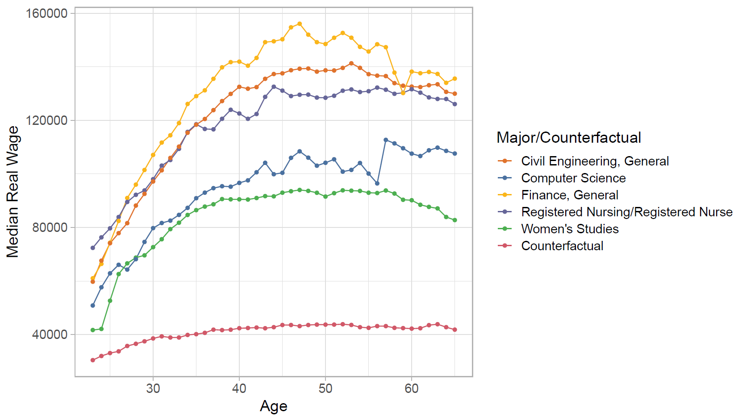
major_counterfactual | age | median_wage
Civil Engineering, General | 23 | 59734
Civil Engineering, General | 24 | 67589
Civil Engineering, General | 25 | 74100
Civil Engineering, General | 26 | 77866
Civil Engineering, General | 27 | 81598
Civil Engineering, General | 28 | 88164
Civil Engineering, General | 29 | 92532
Civil Engineering, General | 30 | 97160
Civil Engineering, General | 31 | 101326
Civil Engineering, General | 32 | 105952
Civil Engineering, General | 33 | 110170
Civil Engineering, General | 34 | 115351
Civil Engineering, General | 35 | 118358
Civil Engineering, General | 36 | 120496
Civil Engineering, General | 37 | 123808
Civil Engineering, General | 38 | 127181
Civil Engineering, General | 39 | 129860
Civil Engineering, General | 40 | 132506
Civil Engineering, General | 41 | 131805
Civil Engineering, General | 42 | 132402
Civil Engineering, General | 43 | 135494
Civil Engineering, General | 44 | 137285
Civil Engineering, General | 45 | 137539
Civil Engineering, General | 46 | 138694
Civil Engineering, General | 47 | 139259
Civil Engineering, General | 48 | 139340
Civil Engineering, General | 49 | 138177
Civil Engineering, General | 50 | 138670
Civil Engineering, General | 51 | 138610
Civil Engineering, General | 52 | 139565
Civil Engineering, General | 53 | 141285
Civil Engineering, General | 54 | 139589
Civil Engineering, General | 55 | 137232
Civil Engineering, General | 56 | 136682
Civil Engineering, General | 57 | 136516
Civil Engineering, General | 58 | 133885
Civil Engineering, General | 59 | 132924
Civil Engineering, General | 60 | 132594
Civil Engineering, General | 61 | 132417
Civil Engineering, General | 62 | 133106
Civil Engineering, General | 63 | 133465
Civil Engineering, General | 64 | 130616
Civil Engineering, General | 65 | 129952
Computer Science | 23 | 50850
Computer Science | 24 | 57652
Computer Science | 25 | 62858
Computer Science | 26 | 66050
Computer Science | 27 | 64266
Computer Science | 28 | 68154
Computer Science | 29 | 74586
Computer Science | 30 | 79746
Computer Science | 31 | 81655
Computer Science | 32 | 82547
Computer Science | 33 | 84682
Computer Science | 34 | 87304
Computer Science | 35 | 90916
Computer Science | 36 | 92995
Computer Science | 37 | 94667
Computer Science | 38 | 95388
Computer Science | 39 | 95214
Computer Science | 40 | 96630
Computer Science | 41 | 97582
Computer Science | 42 | 100602
Computer Science | 43 | 104133
Computer Science | 44 | 99872
Computer Science | 45 | 100398
Computer Science | 46 | 105984
Computer Science | 47 | 108414
Computer Science | 48 | 106055
Computer Science | 49 | 103046
Computer Science | 50 | 104140
Computer Science | 51 | 105435
Computer Science | 52 | 100830
Computer Science | 53 | 101478
Computer Science | 54 | 104069
Computer Science | 55 | 100100
Computer Science | 56 | 96442
Computer Science | 57 | 112697
Computer Science | 58 | 111382
Computer Science | 59 | 109570
Computer Science | 60 | 107553
Computer Science | 61 | 106659
Computer Science | 62 | 108798
Computer Science | 63 | 109798
Computer Science | 64 | 108582
Computer Science | 65 | 107594
Finance, General | 23 | 61018
Finance, General | 24 | 66382
Finance, General | 25 | 74320
Finance, General | 26 | 82420
Finance, General | 27 | 90983
Finance, General | 28 | 95991
Finance, General | 29 | 101454
Finance, General | 30 | 107074
Finance, General | 31 | 111689
Finance, General | 32 | 114406
Finance, General | 33 | 118962
Finance, General | 34 | 126105
Finance, General | 35 | 129024
Finance, General | 36 | 131192
Finance, General | 37 | 135504
Finance, General | 38 | 139788
Finance, General | 39 | 141728
Finance, General | 40 | 141915
Finance, General | 41 | 140397
Finance, General | 42 | 143293
Finance, General | 43 | 149184
Finance, General | 44 | 149503
Finance, General | 45 | 150254
Finance, General | 46 | 154730
Finance, General | 47 | 156064
Finance, General | 48 | 151984
Finance, General | 49 | 149176
Finance, General | 50 | 148493
Finance, General | 51 | 150827
Finance, General | 52 | 152629
Finance, General | 53 | 150846
Finance, General | 54 | 147424
Finance, General | 55 | 145700
Finance, General | 56 | 148407
Finance, General | 57 | 147300
Finance, General | 58 | 137816
Finance, General | 59 | 130182
Finance, General | 60 | 138186
Finance, General | 61 | 137588
Finance, General | 62 | 138059
Finance, General | 63 | 137320
Finance, General | 64 | 134006
Finance, General | 65 | 135578
Registered Nursing/Registered Nurse | 23 | 72365
Registered Nursing/Registered Nurse | 24 | 76291
Registered Nursing/Registered Nurse | 25 | 79659
Registered Nursing/Registered Nurse | 26 | 83881
Registered Nursing/Registered Nurse | 27 | 89513
Registered Nursing/Registered Nurse | 28 | 92191
Registered Nursing/Registered Nurse | 29 | 93802
Registered Nursing/Registered Nurse | 30 | 98015
Registered Nursing/Registered Nurse | 31 | 103085
Registered Nursing/Registered Nurse | 32 | 105173
Registered Nursing/Registered Nurse | 33 | 109349
Registered Nursing/Registered Nurse | 34 | 115677
Registered Nursing/Registered Nurse | 35 | 118532
Registered Nursing/Registered Nurse | 36 | 116772
Registered Nursing/Registered Nurse | 37 | 116634
Registered Nursing/Registered Nurse | 38 | 120562
Registered Nursing/Registered Nurse | 39 | 123933
Registered Nursing/Registered Nurse | 40 | 122549
Registered Nursing/Registered Nurse | 41 | 120560
Registered Nursing/Registered Nurse | 42 | 122355
Registered Nursing/Registered Nurse | 43 | 128750
Registered Nursing/Registered Nurse | 44 | 132550
Registered Nursing/Registered Nurse | 45 | 131086
Registered Nursing/Registered Nurse | 46 | 129053
Registered Nursing/Registered Nurse | 47 | 129546
Registered Nursing/Registered Nurse | 48 | 129599
Registered Nursing/Registered Nurse | 49 | 128489
Registered Nursing/Registered Nurse | 50 | 128429
Registered Nursing/Registered Nurse | 51 | 129168
Registered Nursing/Registered Nurse | 52 | 131051
Registered Nursing/Registered Nurse | 53 | 131528
Registered Nursing/Registered Nurse | 54 | 130563
Registered Nursing/Registered Nurse | 55 | 130872
Registered Nursing/Registered Nurse | 56 | 132220
Registered Nursing/Registered Nurse | 57 | 131424
Registered Nursing/Registered Nurse | 58 | 129901
Registered Nursing/Registered Nurse | 59 | 130275
Registered Nursing/Registered Nurse | 60 | 131609
Registered Nursing/Registered Nurse | 61 | 130334
Registered Nursing/Registered Nurse | 62 | 128552
Registered Nursing/Registered Nurse | 63 | 127984
Registered Nursing/Registered Nurse | 64 | 127956
Registered Nursing/Registered Nurse | 65 | 126058
Women's Studies | 23 | 41691
Women's Studies | 24 | 42092
Women's Studies | 25 | 52630
Women's Studies | 26 | 62587
Women's Studies | 27 | 66583
Women's Studies | 28 | 68736
Women's Studies | 29 | 69581
Women's Studies | 30 | 72638
Women's Studies | 31 | 75600
Women's Studies | 32 | 79371
Women's Studies | 33 | 81759
Women's Studies | 34 | 84667
Women's Studies | 35 | 86464
Women's Studies | 36 | 87785
Women's Studies | 37 | 88647
Women's Studies | 38 | 90594
Women's Studies | 39 | 90497
Women's Studies | 40 | 90492
Women's Studies | 41 | 90420
Women's Studies | 42 | 90985
Women's Studies | 43 | 91694
Women's Studies | 44 | 91612
Women's Studies | 45 | 92975
Women's Studies | 46 | 93511
Women's Studies | 47 | 93997
Women's Studies | 48 | 93652
Women's Studies | 49 | 92945
Women's Studies | 50 | 91523
Women's Studies | 51 | 92794
Women's Studies | 52 | 93854
Women's Studies | 53 | 93727
Women's Studies | 54 | 93633
Women's Studies | 55 | 92961
Women's Studies | 56 | 92843
Women's Studies | 57 | 93793
Women's Studies | 58 | 92653
Women's Studies | 59 | 90332
Women's Studies | 60 | 90162
Women's Studies | 61 | 88463
Women's Studies | 62 | 87673
Women's Studies | 63 | 87104
Women's Studies | 64 | 83894
Women's Studies | 65 | 82750
Counterfactual | 23 | 30448
Counterfactual | 24 | 31992
Counterfactual | 25 | 33085
Counterfactual | 26 | 33727
Counterfactual | 27 | 35732
Counterfactual | 28 | 36552
Counterfactual | 29 | 37474
Counterfactual | 30 | 38545
Counterfactual | 31 | 39334
Counterfactual | 32 | 38898
Counterfactual | 33 | 38898
Counterfactual | 34 | 39852
Counterfactual | 35 | 40152
Counterfactual | 36 | 40634
Counterfactual | 37 | 41821
Counterfactual | 38 | 41668
Counterfactual | 39 | 41810
Counterfactual | 40 | 42375
Counterfactual | 41 | 42449
Counterfactual | 42 | 42618
Counterfactual | 43 | 42359
Counterfactual | 44 | 42752
Counterfactual | 45 | 43566
Counterfactual | 46 | 43566
Counterfactual | 47 | 43154
Counterfactual | 48 | 43566
Counterfactual | 49 | 43717
Counterfactual | 50 | 43707
Counterfactual | 51 | 43717
Counterfactual | 52 | 43862
Counterfactual | 53 | 43589
Counterfactual | 54 | 42752
Counterfactual | 55 | 42507
Counterfactual | 56 | 43154
Counterfactual | 57 | 43154
Counterfactual | 58 | 42507
Counterfactual | 59 | 42399
Counterfactual | 60 | 42208
Counterfactual | 61 | 42359
Counterfactual | 62 | 43508
Counterfactual | 63 | 43862
Counterfactual | 64 | 42752
Counterfactual | 65 | 41834

DELETED_chart 13
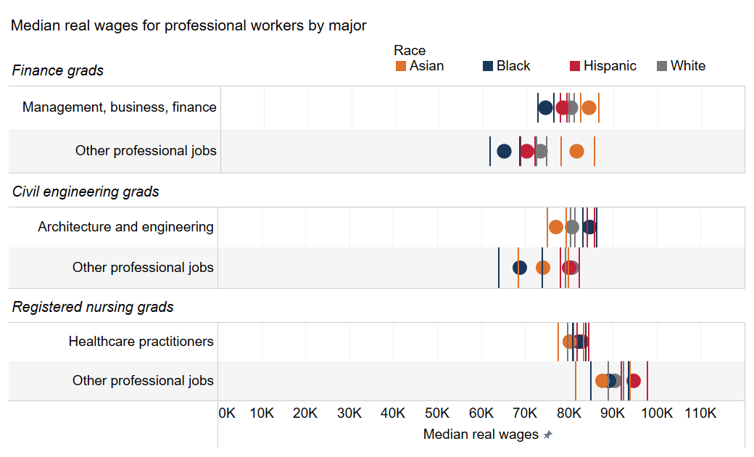
Chart number | #VALUE!
Descriptive title | Median real wages for professional workers by major
Note | Median real annual wages of bachelor's graduates from the 2014–2023 cohorts, measured 1 to 10 years after graduation.
Source | Burning Glass Institute Analysis of career profiles, Glassdoor wage data, Florida administrative data, MyFloridaFuture data, OEWS data and IPUMS ACS data | <- Source wording has changed

Major | Soc 2019 2 Name (mgmt finance) | Race | Median imputed_real_wage | Upper bound salary | Lower bound salary | Count of q_emp_edu_hist_final.csv | Bgi Id string Count dist
Finance | Management, business, finance | Asian | 84,363.50 | 86,404.17 | 82,322.83 | 1,898 | 473
Finance | Management, business, finance | Black | 74,364 | 76,165.44 | 72,562.56 | 2,149 | 528
Finance | Management, business, finance | Hispanic | 78,429 | 79,251.98 | 77,606.02 | 11,476 | 2,675
Finance | Management, business, finance | White | 80,292 | 80,851.30 | 79,732.70 | 26,047 | 6,130
Finance | Other professional jobs | Asian | 81,630 | 85,492.59 | 77,767.41 | 506 | 161
Finance | Other professional jobs | Black | 64,928 | 68,333.35 | 61,522.65 | 467 | 161
Finance | Other professional jobs | Hispanic | 70,197.50 | 71,876.50 | 68,518.50 | 2,090 | 712
Finance | Other professional jobs | White | 73,308 | 74,445.21 | 72,170.79 | 5,215 | 1,708
Civil engineering | Architecture and engineering | Asian | 77,128.50 | 75,009.07 | 79,247.93 | 370 | 92
Civil engineering | Architecture and engineering | Black | 84,660 | 83,079.34 | 86,240.66 | 607 | 159
Civil engineering | Architecture and engineering | Hispanic | 84,816 | 84,027.11 | 85,604.89 | 2,427 | 634
Civil engineering | Architecture and engineering | White | 80,724 | 80,175.08 | 81,272.92 | 5,476 | 1,299
Civil engineering | Other professional jobs | Asian | 74,039.50 | 68,286.79 | 79,792.21 | 172 | 49
Civil engineering | Other professional jobs | Black | 68,841 | 63,898.83 | 73,783.17 | 263 | 73
Civil engineering | Other professional jobs | Hispanic | 80,032 | 77,862.93 | 82,201.07 | 1,333 | 356
Civil engineering | Other professional jobs | White | 80,672 | 79,091.61 | 82,252.39 | 2,627 | 693
Registered nursing | Healthcare practitioners | Asian | 80,243 | 77,363.75 | 83,122.25 | 768 | 175
Registered nursing | Healthcare practitioners | Black | 82,210 | 80,693.77 | 83,726.23 | 2,781 | 569
Registered nursing | Healthcare practitioners | Hispanic | 82,993.50 | 81,655.19 | 84,331.81 | 4,373 | 893
Registered nursing | Healthcare practitioners | White | 80,243 | 79,588.72 | 80,897.28 | 16,388 | 3,320
Registered nursing | Other professional jobs | Asian | 87,595.50 | 81,377.13 | 93,813.87 | 150 | 43
Registered nursing | Other professional jobs | Black | 89,112 | 84,794.16 | 93,429.84 | 505 | 127
Registered nursing | Other professional jobs | Hispanic | 94,739 | 91,713.89 | 97,764.11 | 978 | 263
Registered nursing | Other professional jobs | White | 90,520 | 88,848.76 | 92,191.24 | 2,882 | 777

